XTM GLOVES
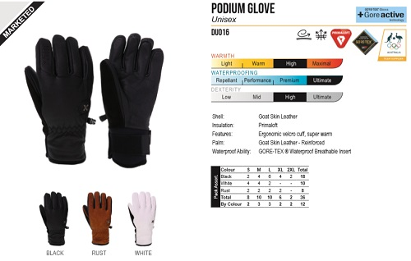
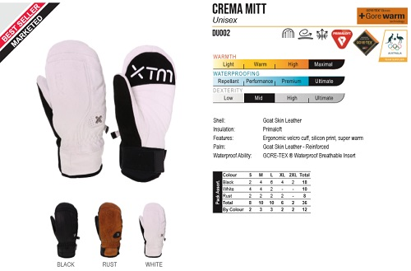
ＮＯ． |  | DU016 |  |  |  |  | PODIUM GLOVE | XTM |  | ＮＯ． |  | DU002 |  |  |  |  | CREMA MITT | XTM
ＰＲＩＣＥ |  | 参考本体価格 |  | ¥18,000 |  | +消費税 |  |  |  | ＰＲＩＣＥ |  | 参考本体価格 |  | ¥18,000 |  | +消費税
ＱＵＡＬＩＴＹ |  | Shell: Goat Skin Leather Insulation: Primaloft Features: Ergonomic velcro cuff, super warm Palm: Goat Skin Leather - Reinforced Waterproof Ability: GORE-TEX ® Waterproof Breathable Insert |  |  |  |  |  |  |  | ＱＵＡＬＩＴＹ |  | Shell: Goat Skin Leather Insulation: Primaloft Features: Ergonomic velcro cuff, silicon print, super warm Palm: Goat Skin Leather - Reinforced Waterproof Ability: GORE-TEX ® Waterproof Breathable Insert

ＣＯＬＯＲ/ＳＩＺＥ |  | S | M | L | XL |  |  |  |  | ＣＯＬＯＲ/ＳＩＺＥ |  | S | M | L | XL
 | BLACK |  |  |  |  |  |  |  |  |  | BLACK
 | RUST |  |  |  |  |  |  |  |  |  | RUST
 | WHITE |  |  |  |  |  |  |  |  |  | WHITE
 |  |  |  |  |  | 0 |  |  | ¥0 |  |  |  |  |  |  | 0 |  |  | ¥0
ＮＯ． |  | DU012 |  |  |  |  | FABLE GLOVE | XTM |  | ＮＯ． |  | DU019 |  |  |  |  | FABLE MITT | XTM
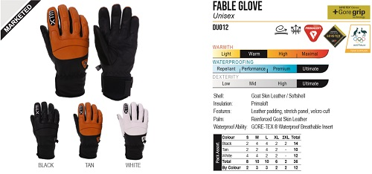
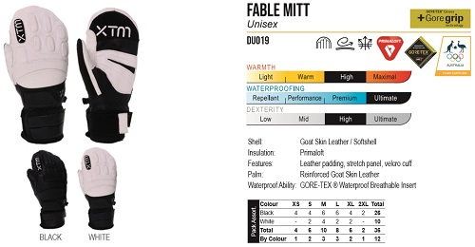
ＰＲＩＣＥ |  | 参考本体価格 |  | ¥18,000 |  | +消費税 |  |  |  | ＰＲＩＣＥ |  | 参考本体価格 |  | ¥18,000 |  | +消費税
ＱＵＡＬＩＴＹ |  | Shell: Goat Skin Leather / Softshell Insulation: Primaloft Features: Leather padding, stretch panel, velcro cuff Palm: Reinforced Goat Skin Leather Waterproof Ability: GORE-TEX ® Waterproof Breathable Insert |  |  |  |  |  |  |  | ＱＵＡＬＩＴＹ |  | Shell: Goat Skin Leather / Softshell Insulation: Primaloft Features: Leather padding, stretch panel, velcro cuff Palm: Reinforced Goat Skin Leather Waterproof Ability: GORE-TEX ® Waterproof Breathable Insert

ＣＯＬＯＲ/ＳＩＺＥ |  | S | M | L | XL |  |  |  |  | ＣＯＬＯＲ/ＳＩＺＥ |  | XS | S | M | L | XL
 | BLACK |  |  |  |  |  |  |  |  |  | BLACK
 | RUST |  |  |  |  |  |  |  |  |  | WHITE
 | WHITE
 |  |  |  |  |  | 0 |  |  | ¥0 |  |  |  |  |  |  | 0 |  |  | ¥0
ＮＯ． |  | DU004 |  |  |  |  | AUREL GLOVE | XTM |  | ＮＯ． |  | DM004 |  |  |  |  | HANS GLOVE | XTM
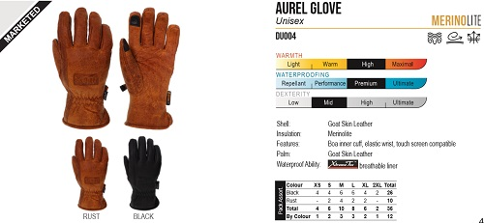
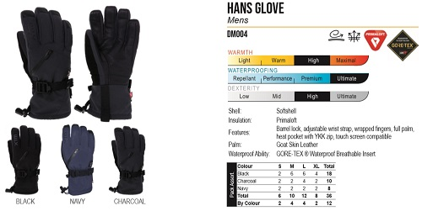
ＰＲＩＣＥ |  | 参考本体価格 |  | ¥16,000 |  | +消費税 |  |  |  | ＰＲＩＣＥ |  | 参考本体価格 |  | ¥12,000 |  | +消費税
ＱＵＡＬＩＴＹ |  | Shell: Goat Skin Leather Insulation: Merinolite Features: Boa inner cuff, elastic wrist, touch screen compatible Palm: Goat Skin Leather Waterproof Ability: breathable liner |  |  |  |  |  |  |  | ＱＵＡＬＩＴＹ |  | Shell: Softshell Insulation: Primaloft Features: Barrel lock, adjustable wrist strap, wrapped fingers, full palm, heat pocket with YKK zip, touch screen compatible Palm: Goat Skin Leather Waterproof Ability: GORE-TEX ® Waterproof Breathable Insert

ＣＯＬＯＲ/ＳＩＺＥ |  | XS | S | M | L | XL |  |  |  | ＣＯＬＯＲ/ＳＩＺＥ |  | S | M | L | XL
 | RUST |  |  |  |  |  |  |  |  |  | BLACK
 | BLACK |  |  |  |  |  |  |  |  |  | NAVY
 |  |  |  |  |  |  |  |  |  |  | CHARCOAL
 |  |  |  |  |  | 0 |  |  | ¥0 |  |  |  |  |  |  | 0 |  |  | ¥0
ＮＯ． |  | DL008 |  |  |  |  | ST MORITZ GLOVE | XTM |  | ＮＯ． |  | DL007 |  |  |  |  | ST MORITZ MITT | XTM
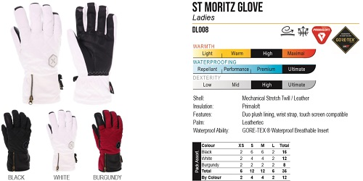
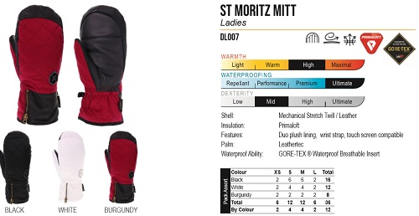
ＰＲＩＣＥ |  | 参考本体価格 |  | ¥14,000 |  | +消費税 |  |  |  | ＰＲＩＣＥ |  | 参考本体価格 |  | ¥14,000 |  | +消費税
ＱＵＡＬＩＴＹ |  | Shell: Mechanical Stretch Twill / Leather Insulation: Primaloft Features: Duo plush lining, wrist strap, touch screen compatible Palm: Leathertec Waterproof Ability: GORE-TEX ® Waterproof Breathable Insert |  |  |  |  |  |  |  | ＱＵＡＬＩＴＹ |  | Shell: Mechanical Stretch Twill / Leather Insulation: Primaloft Features: Duo plush lining, wrist strap, touch screen compatible Palm: Leathertec Waterproof Ability: GORE-TEX ® Waterproof Breathable Insert

ＣＯＬＯＲ/ＳＩＺＥ |  | XS | S | M | L |  |  |  |  | ＣＯＬＯＲ/ＳＩＺＥ |  | XS | S | M | L
 | BLACK |  |  |  |  |  |  |  |  |  | BLACK
 | WHITE |  |  |  |  |  |  |  |  |  | WHITE
 | BURGUNDY |  |  |  |  |  |  |  |  |  | BURGUNDY
 |  |  |  |  |  | 0 |  |  | ¥0 |  |  |  |  |  |  | 0 |  |  | ¥0

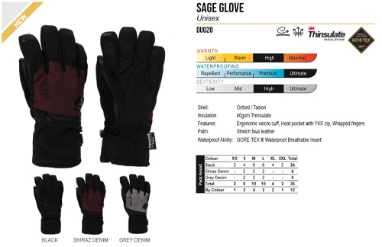
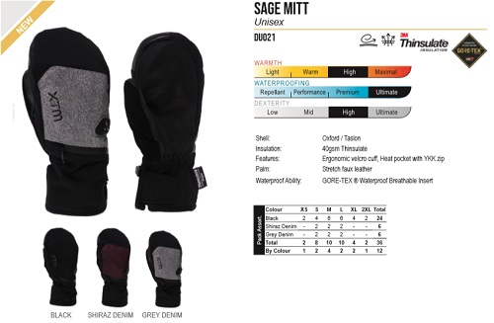
ＮＯ． |  | DU020 |  |  |  |  | SAGE GLOVE | XTM |  | ＮＯ． |  | DU021 |  |  |  |  | SAGE MITT | XTM
ＰＲＩＣＥ |  | 参考本体価格 |  | ¥10,000 |  | +消費税 |  |  |  | ＰＲＩＣＥ |  | 参考本体価格 |  | ¥9,000 |  | +消費税
ＱＵＡＬＩＴＹ |  | Shell: Oxford / Taslon Insulation: 40gsm Thinsulate Features: Ergonomic velcro cuff, Heat pocket with YKK zip, Wrapped fingers Palm: Stretch faux leather Waterproof Ability: GORE-TEX ® Waterproof Breathable Insert |  |  |  |  |  |  |  | ＱＵＡＬＩＴＹ |  | Shell: Oxford / Taslon Insulation: 40gsm Thinsulate Features: Ergonomic velcro cuff, Heat pocket with YKK zip Palm: Stretch faux leather Waterproof Ability: GORE-TEX ® Waterproof Breathable Insert

ＣＯＬＯＲ/ＳＩＺＥ |  | XS | S | M | L | XL |  |  |  | ＣＯＬＯＲ/ＳＩＺＥ |  | XS | S | M | L | XL
 | BLACK |  |  |  |  |  |  |  |  |  | BLACK
 | SHIRAZ DENIM |  |  |  |  |  |  |  |  |  | SHIRAZ DENIM
 | GREY DENIM |  |  |  |  |  |  |  |  |  | GREY DENIM
 |  |  |  |  |  | 0 |  |  | ¥0 |  |  |  |  |  |  | 0 |  |  | ¥0
ＮＯ． |  | DM002 |  |  |  |  | WHISTLER MENS GLOVE | XTM |  | ＮＯ． |  | DL002 |  |  |  |  | WHISTLER LADIES GLOVE | XTM
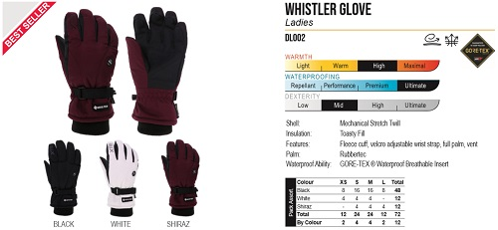
ＰＲＩＣＥ |  | 参考本体価格 |  | ¥9,000 |  | +消費税 |  |  |  | ＰＲＩＣＥ |  | 参考本体価格 |  | ¥9,000 |  | +消費税
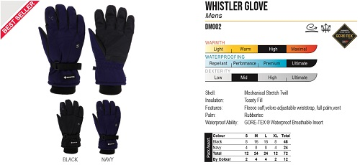
ＱＵＡＬＩＴＹ |  | Shell: Mechanical Stretch Twill Insulation: Toasty Fill Features: Fleece cuff,velcro adjustable wriststrap, full palm,vent Palm: Rubbertec Waterproof Ability: GORE-TEX ® Waterproof Breathable Insert |  |  |  |  |  |  |  | ＱＵＡＬＩＴＹ |  | Shell: Mechanical Stretch Twill Insulation: Toasty Fill Features: Fleece cuff, velcro adjustable wrist strap, full palm, vent Palm: Rubbertec Waterproof Ability: GORE-TEX ® Waterproof Breathable Insert

ＣＯＬＯＲ/ＳＩＺＥ |  | S | M | L | XL |  |  |  |  | ＣＯＬＯＲ/ＳＩＺＥ |  | XS | S | M | L
 | BLACK |  |  |  |  |  |  |  |  |  | BLACK
 | NAVY |  |  |  |  |  |  |  |  |  | WHITE
 |  |  |  |  |  |  |  |  |  |  | SHIRAZ
 |  |  |  |  |  | 0 |  |  | ¥0 |  |  |  |  |  |  | 0 |  |  | ¥0
ＮＯ． |  | DU013 |  |  |  |  | WHISTLER MITT | XTM |  | ＮＯ． |  | CM001 |  |  |  |  | SAMURAI GLOVE | XTM
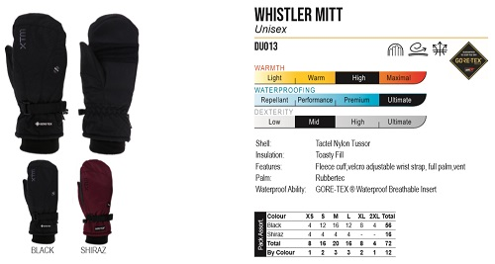
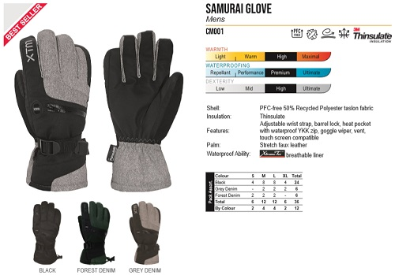
ＰＲＩＣＥ |  | 参考本体価格 |  | ¥9,000 |  | +消費税 |  |  |  | ＰＲＩＣＥ |  | 参考本体価格 |  | ¥5,000 |  | +消費税
ＱＵＡＬＩＴＹ |  | Shell: Tactel Nylon Tussor Insulation: Toasty Fill Features: Fleece cuff,velcro adjustable wrist strap, full palm,vent Palm: Rubbertec Waterproof Ability: GORE-TEX ® Waterproof Breathable Insert |  |  |  |  |  |  |  | ＱＵＡＬＩＴＹ |  | Shell: PFC-free 50% Recycled Polyester taslon fabric Insulation: Thinsulate Features: Adjustable wrist strap, barrel lock, heat pocket with waterproof YKK zip, goggle wiper, vent, touch screen compatible Palm: Stretch faux leather Waterproof Ability: breathable liner

ＣＯＬＯＲ/ＳＩＺＥ |  | XS | S | M | L | XL |  |  |  | ＣＯＬＯＲ/ＳＩＺＥ |  | S | M | L | XL
 | BLACK |  |  |  |  |  |  |  |  |  | BLACK
 | SHIRAZ |  |  |  |  |  |  |  |  |  | FOREST DENIM
 |  |  |  |  |  |  |  |  |  |  | GREY DENIM
 |  |  |  |  |  | 0 |  |  | ¥0 |  |  |  |  |  |  | 0 |  |  | ¥0
ＮＯ． |  | CM007 |  |  |  |  | SAMURAI MITT | XTM |  | ＮＯ． |  | CL001 |  |  |  |  | SAPPORO MITT | XTM
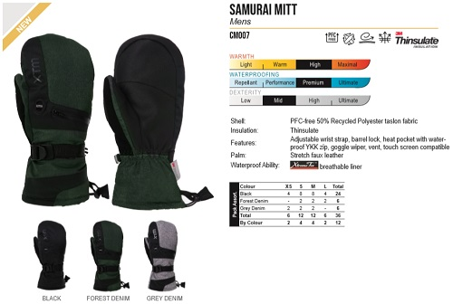
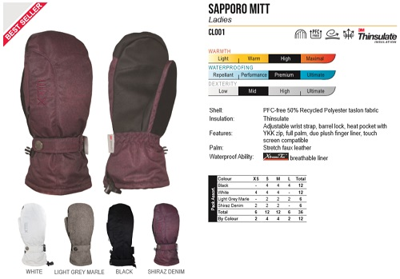
ＰＲＩＣＥ |  | 参考本体価格 |  | ¥5,000 |  | +消費税 |  |  |  | ＰＲＩＣＥ |  | 参考本体価格 |  | ¥5,000 |  | +消費税
ＱＵＡＬＩＴＹ |  | Shell: PFC-free 50% Recycled Polyester taslon fabric Insulation: Thinsulate Features: Adjustable wrist strap, barrel lock, heat pocket with waterproof YKK zip, goggle wiper, vent, touch screen compatible Palm: Stretch faux leather Waterproof Ability: breathable liner |  |  |  |  |  |  |  | ＱＵＡＬＩＴＹ |  | Shell: PFC-free 50% Recycled Polyester taslon fabric Insulation: Thinsulate Features: Adjustable wrist strap, barrel lock, heat pocket with YKK zip, full palm, duo plush finger liner, touch screen compatible Palm: Stretch faux leather Waterproof Ability: breathable liner

ＣＯＬＯＲ/ＳＩＺＥ |  | XS | S | M | L |  |  |  |  | ＣＯＬＯＲ/ＳＩＺＥ |  | XS | S | M | L
 | BLACK |  |  |  |  |  |  |  |  |  | WHITE
 | FOREST DENIM |  |  |  |  |  |  |  |  |  | LIGHT GREY MARLE
 | GREY DENIM |  |  |  |  |  |  |  |  |  | BLACK
 |  |  |  |  |  | 0 |  |  | ¥0 |  | SHIRAZ DENIM |  |  |  |  | 0 |  |  | ¥0

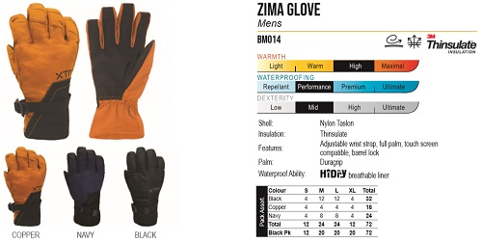
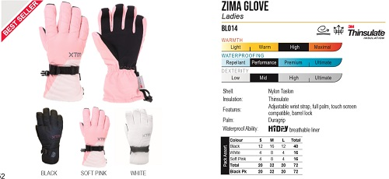
ＮＯ． |  | BM014 |  |  |  |  | ZIMA MENS GLOVE | XTM |  | ＮＯ． |  | BL014 |  |  |  |  | ZIMA LADIES GLOVE | XTM
ＰＲＩＣＥ |  | 参考本体価格 |  | ¥3,000 |  | +消費税 |  |  |  | ＰＲＩＣＥ |  | 参考本体価格 |  | ¥3,000 |  | +消費税
ＱＵＡＬＩＴＹ |  | Shell: Nylon Taslon Insulation: Thinsulate Features: Adjustable wrist strap, full palm, touch screen compatible, barrel lock Palm: Duragrip Waterproof Ability: breathable liner |  |  |  |  |  |  |  | ＱＵＡＬＩＴＹ |  | Shell: Nylon Taslon Insulation: Thinsulate Features: Adjustable wrist strap, full palm, touch screen compatible, barrel lock Palm: Duragrip Waterproof Ability: breathable liner

ＣＯＬＯＲ/ＳＩＺＥ |  | S | M | L | XL |  |  |  |  | ＣＯＬＯＲ/ＳＩＺＥ |  | S | M | L
 | COPPER |  |  |  |  |  |  |  |  |  | BLACK
 | NAVY |  |  |  |  |  |  |  |  |  | SOFT PINK
 | BLACK |  |  |  |  |  |  |  |  |  | WHITE
 |  |  |  |  |  | 0 |  |  | ¥0 |  |  |  |  |  |  | 0 |  |  | ¥0
ＮＯ． |  | CK005 |  |  |  |  | MISO II GLOVE | XTM |  | ＮＯ． |  | CK006 |  |  |  |  | MISO II MITT | XTM
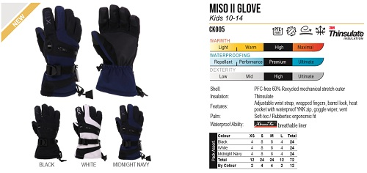
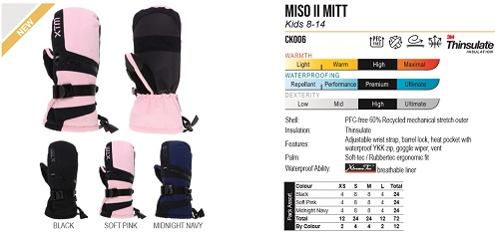
ＰＲＩＣＥ |  | 参考本体価格 |  | ¥4,000 |  | +消費税 |  |  |  | ＰＲＩＣＥ |  | 参考本体価格 |  | ¥4,000 |  | +消費税
ＱＵＡＬＩＴＹ |  | Shell: PFC-free 60% Recycled mechanical stretch outer Insulation: Thinsulate Features: Adjustable wrist strap, wrapped fingers, barrel lock, heat pocket with waterproof YKK zip, goggle wiper, vent Palm: Soft-tec / Rubbertec ergonomic fit Waterproof Ability: breathable liner |  |  |  |  |  |  |  | ＱＵＡＬＩＴＹ |  | Shell: PFC-free 60% Recycled mechanical stretch outer Insulation: Thinsulate Features: Adjustable wrist strap, barrel lock, heat pocket with waterproof YKK zip, goggle wiper, vent Palm: Soft-tec / Rubbertec ergonomic fit Waterproof Ability: breathable liner

ＣＯＬＯＲ/ＳＩＺＥ |  | XS | S | M | L |  |  |  |  | ＣＯＬＯＲ/ＳＩＺＥ |  | XS | S | M | L
 | BLACK |  |  |  |  |  |  |  |  |  | BLACK
 | WHITE |  |  |  |  |  |  |  |  |  | SOFT PINK
 | MIDNIGHT NAVY |  |  |  |  |  |  |  |  |  | MIDNIGHT NAVY
 |  |  |  |  |  | 0 |  |  | ¥0 |  |  |  |  |  |  | 0 |  |  | ¥0
ＮＯ． |  | CK001 |  |  |  |  | TOTALLY WILD MITT | XTM |  | ＮＯ． |  | BK014 |  |  |  |  | ZIMA GLOVE | XTM
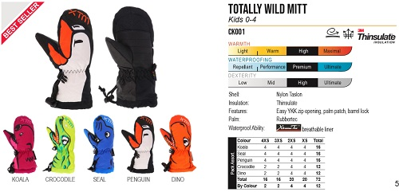
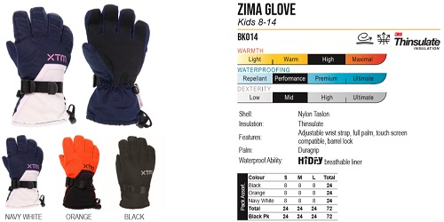
ＰＲＩＣＥ |  | 参考本体価格 |  | ¥3,000 |  | +消費税 |  |  |  | ＰＲＩＣＥ |  | 参考本体価格 |  | ¥3,000 |  | +消費税
ＱＵＡＬＩＴＹ |  | Shell: Nylon Taslon Insulation: Thinsulate Features: Easy YKK zip opening, palm patch, barrel lock Palm: Rubbertec Waterproof Ability: breathable liner |  |  |  |  |  |  |  | ＱＵＡＬＩＴＹ |  | Shell: Nylon Taslon Insulation: Thinsulate Features: Adjustable wrist strap, full palm, touch screen compatible, barrel lock Palm: Duragrip Waterproof Ability: breathable liner

ＣＯＬＯＲ/ＳＩＺＥ |  | 4XS | 3XS | 2XS | XS
 | KOALA |  |  |  |  |  |  |  |  | ＣＯＬＯＲ/ＳＩＺＥ |  | S | M | L
 | CROCODILE |  |  |  |  |  |  |  |  |  | NAVY WHITE
 | SEAL |  |  |  |  |  |  |  |  |  | ORANGE
 | PENGUIN |  |  |  |  |  |  |  |  |  | BLACK
 | DINO |  |  |  |  | 0 |  |  | ¥0 |  |  |  |  |  |  | 0 |  |  | ¥0
ＮＯ． |  | EU019 |  |  |  |  | GORE INFINIUM II GLOVE | XTM |  | ＮＯ． |  | EU004 |  |  |  |  | DE RIGGEUR | XTM
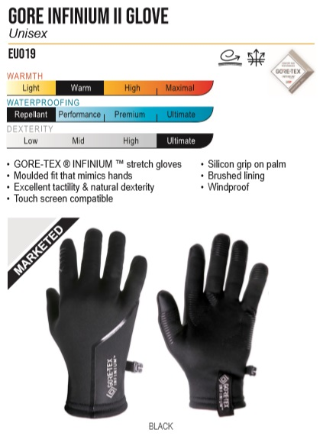
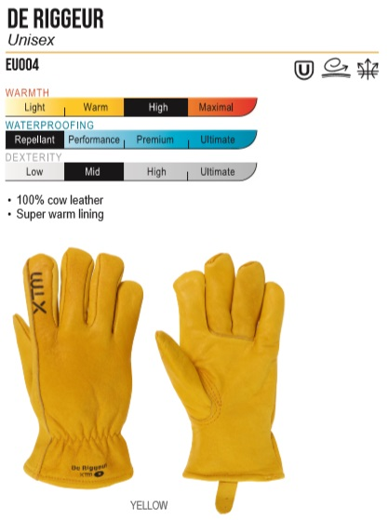
ＰＲＩＣＥ |  | 参考本体価格 |  | ¥8,000 |  | +消費税 |  |  |  | ＰＲＩＣＥ |  | 参考本体価格 |  | ¥4,000 |  | +消費税
ＱＵＡＬＩＴＹ |  | • GORE-TEX ® INFINIUM ™ stretch gloves • Moulded fit that mimics hands • Excellent tactility & natural dexterity • Touch screen compatible • Silicon grip on palm • Brushed lining • Windproof |  |  |  |  |  |  |  | ＱＵＡＬＩＴＹ |  | • 100% cow leather • Super warm lining

ＣＯＬＯＲ/ＳＩＺＥ |  | S | M | L | XL |  |  |  |  | ＣＯＬＯＲ/ＳＩＺＥ |  | S | M | L | XL
 | BLACK |  |  |  |  |  |  |  |  |  | YELLOW

 |  |  |  |  |  | 0 |  |  | ¥0 |  |  |  |  |  |  | 0 |  |  | ¥0

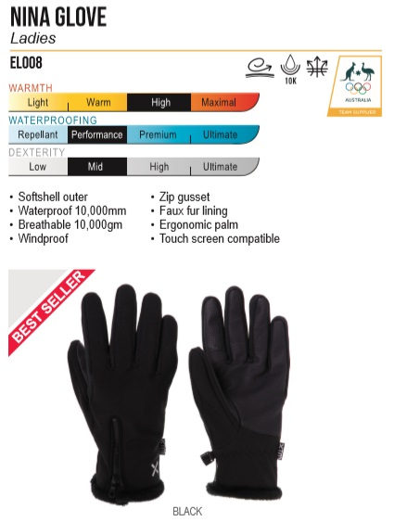
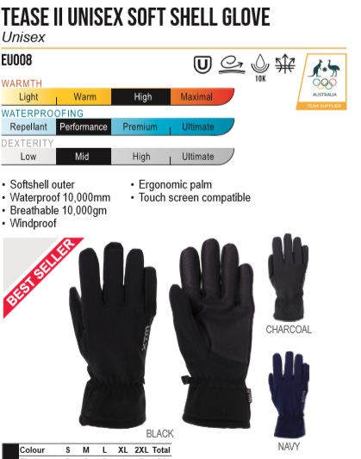
ＮＯ． |  | EL008 |  |  |  |  | NINA GLOVE | XTM |  | ＮＯ． |  | EU008 |  |  |  |  | TEASE II UNISEX SOFT SHELL GLOVE | XTM
ＰＲＩＣＥ |  | 参考本体価格 |  | ¥4,000 |  | +消費税 |  |  |  | ＰＲＩＣＥ |  | 参考本体価格 |  | ¥3,500 |  | +消費税
ＱＵＡＬＩＴＹ |  | • Softshell outer • Waterproof 10,000mm • Breathable 10,000gm • Windproof• Zip gusset • Faux fur lining • Ergonomic palm • Touch screen compatible |  |  |  |  |  |  |  | ＱＵＡＬＩＴＹ |  | • Softshell outer • Waterproof 10,000mm • Breathable 10,000gm • Windproof • Ergonomic palm • Touch screen compatible

ＣＯＬＯＲ/ＳＩＺＥ |  | S | M | L |  |  |  |  |  | ＣＯＬＯＲ/ＳＩＺＥ |  | S | M | L | XL
 | BLACK |  |  |  |  |  |  |  |  |  | BLACK
 |  |  |  |  |  |  |  |  |  |  | NAVY

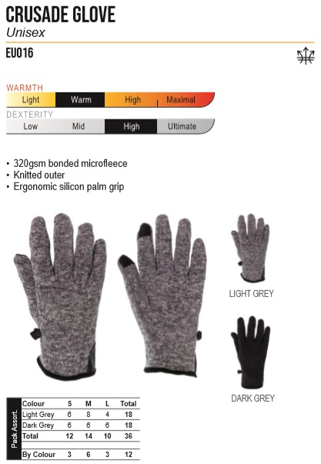
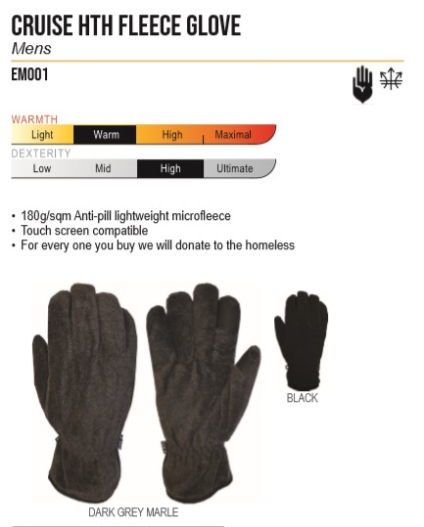
 |  |  |  |  |  | 0 |  |  | ¥0 |  |  |  |  |  |  | 0 |  |  | ¥0
ＮＯ． |  | EU016 |  |  |  |  | CRUSADE GLOVE | XTM |  | ＮＯ． |  | EM001 |  |  |  |  | CRUISE HTH FLEECE GLOVE | XTM
ＰＲＩＣＥ |  | 参考本体価格 |  | ¥3,500 |  | +消費税 |  |  |  | ＰＲＩＣＥ |  | 参考本体価格 |  | ¥2,500 |  | +消費税
ＱＵＡＬＩＴＹ |  | • 320gsm bonded microfleece • Knitted outer • Ergonomic silicon palm grip |  |  |  |  |  |  |  | ＱＵＡＬＩＴＹ |  | • 180g/sqm Anti-pill lightweight microfleece • Touch screen compatible • For every one you buy we will donate to the homeless

ＣＯＬＯＲ/ＳＩＺＥ |  | S | M | L |  |  |  |  |  | ＣＯＬＯＲ/ＳＩＺＥ |  | S | M | L | XL
 | LIGHT GREY |  |  |  |  |  |  |  |  |  | DARK GREY MARLE
 | DARK GREY |  |  |  |  |  |  |  |  |  | BLACK

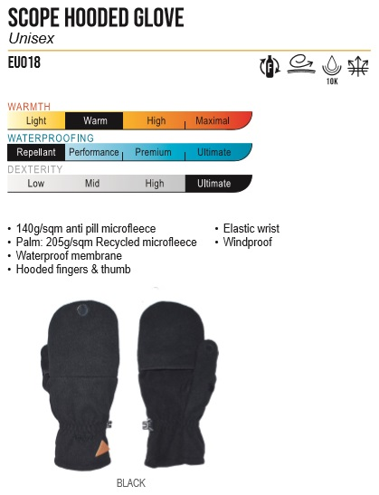
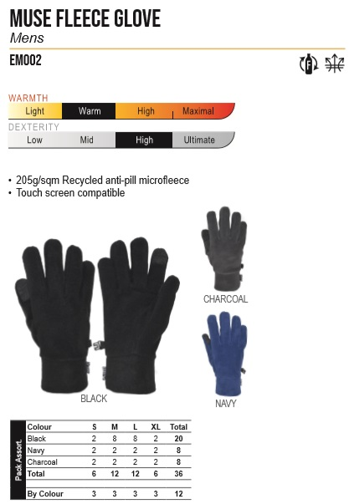
 |  |  |  |  |  | 0 |  |  | ¥0 |  |  |  |  |  |  | 0 |  |  | ¥0
ＮＯ． |  | EU018 |  |  |  |  | SCOPE HOODED GLOVE | XTM |  | ＮＯ． |  | EM002 |  |  |  |  | MUSE FLEECE GLOVE(MENS) | XTM
ＰＲＩＣＥ |  | 参考本体価格 |  | ¥3,000 |  | +消費税 |  |  |  | ＰＲＩＣＥ |  | 参考本体価格 |  | ¥2,500 |  | +消費税
ＱＵＡＬＩＴＹ |  | • 140g/sqm anti pill microfleece • Palm: 205g/sqm Recycled microfleece • Waterproof membrane • Hooded fingers & thumb • Elastic wrist • Windproof |  |  |  |  |  |  |  | ＱＵＡＬＩＴＹ |  | • 205g/sqm Recycled anti-pill microfleece • Touch screen compatible

ＣＯＬＯＲ/ＳＩＺＥ |  | S | M | L | XL
 | BLACK |  |  |  |  |  |  |  |  | ＣＯＬＯＲ/ＳＩＺＥ |  | S | M | L | XL
 |  |  |  |  |  |  |  |  |  |  | BLACK
 |  |  |  |  |  |  |  |  |  |  | CHARCOAL
 |  |  |  |  |  | 0 |  |  | ¥0 |  | NAVY |  |  |  |  | 0 |  |  | ¥0
ＮＯ． |  | EL002 |  |  |  |  | MUSE FLEECE GLOVE(LADIES) | XTM |  | ＮＯ．
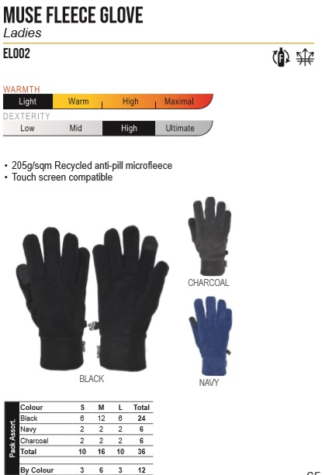
ＰＲＩＣＥ |  | 参考本体価格 |  | ¥2,500 |  | +消費税 |  |  |  | ＰＲＩＣＥ |  | 参考本体価格 |  |  |  | +消費税
ＱＵＡＬＩＴＹ |  | • 205g/sqm Recycled anti-pill microfleece • Touch screen compatible |  |  |  |  |  |  |  | ＱＵＡＬＩＴＹ

ＣＯＬＯＲ/ＳＩＺＥ |  | S | M | L |  |  |  |  |  | ＣＯＬＯＲ/ＳＩＺＥ
 | BLACK
 | CHARCOAL
 | NAVY
 |  |  |  |  |  | 0 |  |  | ¥0

