XTM SOCK BOOT
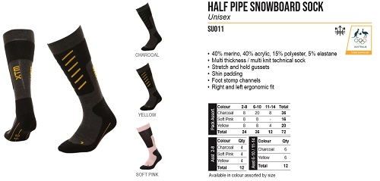
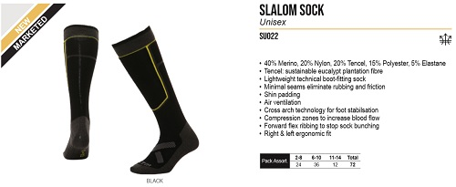
ＮＯ． |  | SU022 |  |  |  |  | SALOM SOCK | XTM |  | ＮＯ． |  | SU011 |  |  |  |  | HALF PIPE SNOWBOARD SOCK | XTM
ＰＲＩＣＥ |  | 参考本体価格 |  | ¥2,800 |  | +消費税 |  |  |  | ＰＲＩＣＥ |  | 参考本体価格 |  | ¥3,200 |  | +消費税
ＱＵＡＬＩＴＹ |  | • 40% Merino, 20% Nylon, 20% Tencel, 15% Polyester, 5% Elastane • Tencel: sustainable eucalypt plantation fibre • Lightweight technical boot-fitting sock • Minimal seams eliminate rubbing and friction • Shin padding • Air ventilation • Cross arch technology for foot stabilsation • Compression zones to increase blood flow • Forward flex ribbing to stop sock bunching • Right & left ergonomic fit |  |  |  |  |  |  |  | ＱＵＡＬＩＴＹ |  | • 40% merino, 40% acrylic, 15% polyester, 5% elastane • Multi thickness / multi knit technical sock • Stretch and hold gussets • Shin padding • Foot stomp channels • Right and left ergonomic fit

ＣＯＬＯＲ/ＳＩＺＥ |  | 2-8 | 6-10 | 11-14 |  |  |  |  |  | ＣＯＬＯＲ/ＳＩＺＥ |  | 2-8 | 6-10 | 11-14
 | BLACK |  |  |  |  |  |  |  |  |  | CHARCOAL
 |  |  |  |  |  |  |  |  |  |  | YELLOW
 |  |  |  |  |  |  |  |  |  |  | SOFT PINK
 |  |  |  |  |  | 0 |  |  | ¥0 |  |  |  |  |  |  | 0 |  |  | ¥0
ＮＯ． |  | SU010 |  |  |  |  | SOCHI SOCK | XTM |  | ＮＯ． |  | SU004 |  |  |  |  | MERINO PRO-FIT SOCK | XTM
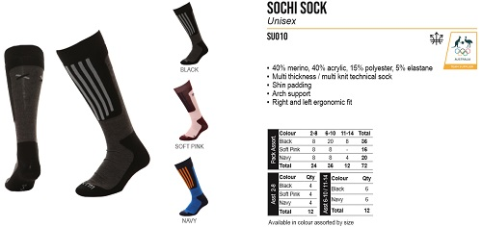
ＰＲＩＣＥ |  | 参考本体価格 |  | ¥3,200 |  | +消費税 |  |  |  | ＰＲＩＣＥ |  | 参考本体価格 |  | ¥2,700 |  | +消費税
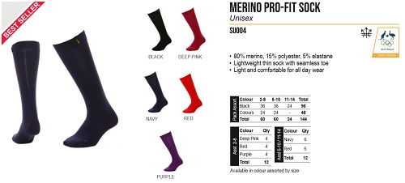
ＱＵＡＬＩＴＹ |  | • 40% merino, 40% acrylic, 15% polyester, 5% elastane • Multi thickness / multi knit technical sock • Shin padding • Arch support • Right and left ergonomic fit |  |  |  |  |  |  |  | ＱＵＡＬＩＴＹ |  | • 80% merino, 15% polyester, 5% elastane • Lightweight thin sock with seamless toe • Light and comfortable for all day wear

 |  |  |  |  |  |  |  |  |  | ＣＯＬＯＲ/ＳＩＺＥ |  | 2-8 | 6-10 | 11-14
ＣＯＬＯＲ/ＳＩＺＥ |  | 2-8 | 6-10 | 11-14 |  |  |  |  |  |  | BLACK
 | BLACK |  |  |  |  |  |  |  |  |  | NAVY
 | SOFT PINK |  |  |  |  |  |  |  |  |  | DEEP PINK
 | NAVY |  |  |  |  |  |  |  |  |  | RED
 |  |  |  |  |  | 0 |  |  | ¥0 |  | PUPPLE |  |  |  |  | 0 |  |  | ¥0
ＮＯ． |  | SU020 |  |  |  |  | TROOPER SOCK | XTM |  | ＮＯ． |  | SU030 |  |  |  |  | FLASH SOCK | XTM
ＰＲＩＣＥ |  | 参考本体価格 |  | ¥3,000 |  | +消費税 |  |  |  | ＰＲＩＣＥ |  | 参考本体価格 |  | ¥3,000 |  | +消費税
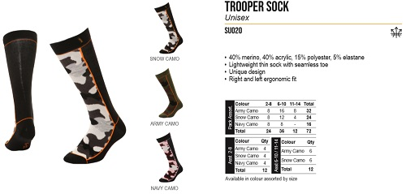
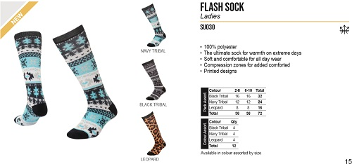
ＱＵＡＬＩＴＹ |  | • 40% merino, 40% acrylic, 15% polyester, 5% elastane • Lightweight thin sock with seamless toe • Unique design • Right and left ergonomic fit |  |  |  |  |  |  |  | ＱＵＡＬＩＴＹ |  | • 100% polyester • The ultimate sock for warmth on extreme days • Soft and comfortable for all day wear • Compression zones for added comforted • Printed designs

 |  |  |  |  |  |  |  |  |  | ＣＯＬＯＲ/ＳＩＺＥ |  | 2-8 | 6-10 | 11-14
ＣＯＬＯＲ/ＳＩＺＥ |  | 2-8 | 6-10 | 11-14 |  |  |  |  |  |  | NAVY TRIBAL
 | SNOW CAMO |  |  |  |  |  |  |  |  |  | BLACK TRIBAL
 | ARMY CAMO |  |  |  |  |  |  |  |  |  | LEOPARD
 | NAVY CAMO
 |  |  |  |  |  | 0 |  |  | ¥0 |  |  |  |  |  |  | 0 |  |  | ¥0
ＮＯ． |  | SU003 |  |  |  |  | DUAL DENSITY SOCK | XTM |  | ＮＯ． |  | SU002 |  |  |  |  | HEATER SOCK | XTM
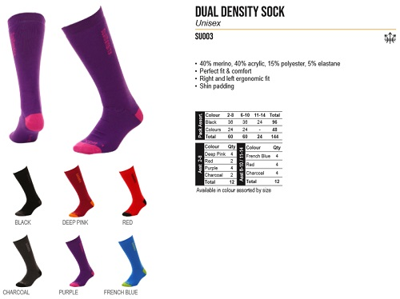
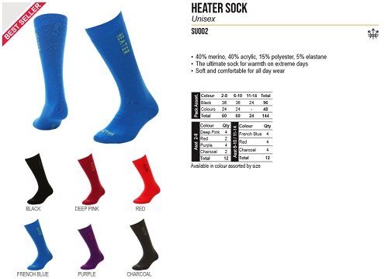
ＰＲＩＣＥ |  | 参考本体価格 |  | ¥2,000 |  | +消費税 |  |  |  | ＰＲＩＣＥ |  | 参考本体価格 |  | ¥2,400 |  | +消費税
ＱＵＡＬＩＴＹ |  | • 40% merino, 40% acrylic, 15% polyester, 5% elastane • Perfect fit & comfort • Right and left ergonomic fit • Shin padding |  |  |  |  |  |  |  | ＱＵＡＬＩＴＹ |  | • 40% merino, 40% acrylic, 15% polyester, 5% elastane • The ultimate sock for warmth on extreme days • Soft and comfortable for all day wear

ＣＯＬＯＲ/ＳＩＺＥ |  | 2-8 | 6-10 | 11-14 |  |  |  |  |  | ＣＯＬＯＲ/ＳＩＺＥ |  | 2-8 | 6-10 | 11-14
 | BLACK |  |  |  |  |  |  |  |  |  | BLACK
 | CHARCOAL |  |  |  |  |  |  |  |  |  | CHARCOAL
 | DEEP RED |  |  |  |  |  |  |  |  |  | DEEP RED
 | RED |  |  |  |  |  |  |  |  |  | RED
 | PURPLE |  |  |  |  |  |  |  |  |  | PURPLE
 | FRENCH BLUE |  |  |  |  | 0 |  |  | ¥0 |  | FRENCH BLUE |  |  |  |  | 0 |  |  | ¥0

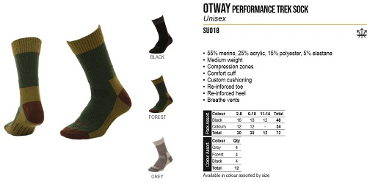
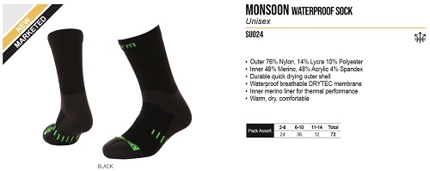
ＮＯ． |  | SU024 |  |  |  |  | MONSOON WATERPROOF SOCK | XTM |  | ＮＯ． |  | SU018 |  |  |  |  | HIGHLANDER VEST | XTM
ＰＲＩＣＥ |  | 参考本体価格 |  | ¥7,000 |  | +消費税 |  |  |  | ＰＲＩＣＥ |  | 参考本体価格 |  | ¥3,000 |  | +消費税
ＱＵＡＬＩＴＹ |  | • Outer 76% Nylon, 14% Lycra 10% Polyester • Inner 48% Merino, 48% Acrylic 4% Spandex • Durable quick drying outer shell • Waterproof breathable DRYTEC membrane • Inner merino liner for thermal performance • Warm, dry, comfortable |  |  |  |  |  |  |  | ＱＵＡＬＩＴＹ |  | • 55% merino, 25% acrylic, 15% polyester, 5% elastane • Medium weight • Compression zones • Comfort cuff • Custom cushioning • Re-inforced toe • Re-inforced heel • Breathe vents

ＣＯＬＯＲ/ＳＩＺＥ |  | 2-8 | 6-10 | 11-14 |  |  |  |  |  | ＣＯＬＯＲ/ＳＩＺＥ |  | 2-8 | 6-10 | 11-14
 | BLACK |  |  |  |  |  |  |  |  |  | BLACK
 |  |  |  |  |  |  |  |  |  |  | FOREST
 |  |  |  |  |  |  |  |  |  |  | GREY
 |  |  |  |  |  | 0 |  |  | ¥0 |  |  |  |  |  |  | 0 |  |  | ¥0
ＮＯ． |  | SU017 |  |  |  |  | MERINO BEANIE | XTM |  | ＮＯ． |  | SU016 |  |  |  |  | TASMAN MEDIUM TREK SOCK | XTM
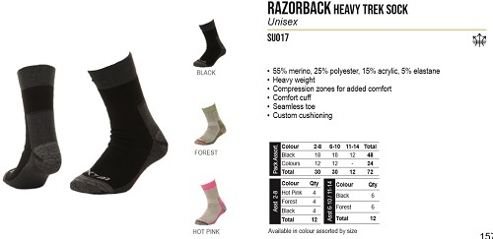
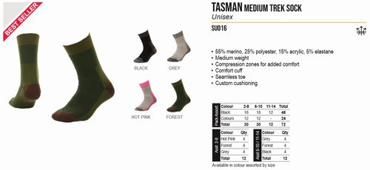
ＰＲＩＣＥ |  | 参考本体価格 |  | ¥3,000 |  | +消費税 |  |  |  | ＰＲＩＣＥ |  | 参考本体価格 |  | ¥2,700 |  | +消費税
ＱＵＡＬＩＴＹ |  | • 55% merino, 25% polyester, 15% acrylic, 5% elastane • Heavy weight • Compression zones for added comfort • Comfort cuff • Seamless toe • Custom cushioning |  |  |  |  |  |  |  | ＱＵＡＬＩＴＹ |  | • 55% merino, 25% polyester, 15% acrylic, 5% elastane • Medium weight • Compression zones for added comfort • Comfort cuff • Seamless toe • Custom cushioning

ＣＯＬＯＲ/ＳＩＺＥ |  | 2-8 | 6-10 | 11-14 |  |  |  |  |  | ＣＯＬＯＲ/ＳＩＺＥ |  | 2-8 | 6-10 | 11-14
 | BLACK |  |  |  |  |  |  |  |  |  | BLACK
 | FOREST |  |  |  |  |  |  |  |  |  | GREY
 | HOT PINK |  |  |  |  |  |  |  |  |  | HOT PINK
 |  |  |  |  |  | 0 |  |  | ¥0 |  | FOREST |  |  |  |  | 0 |  |  | ¥0
ＮＯ． |  | SU015 |  |  |  |  | TANAMI LIGHT TREK SOCK | XTM |  | ＮＯ． |  | SU014 |  |  |  |  | ENDURO SPORT SOAK | XTM
ＰＲＩＣＥ |  | 参考本体価格 |  | ¥2,400 |  | +消費税 |  |  |  | ＰＲＩＣＥ |  | 参考本体価格 |  | ¥2,400 |  | +消費税
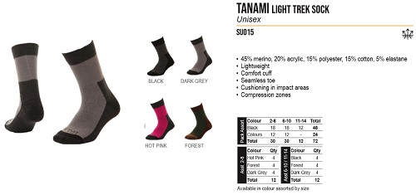
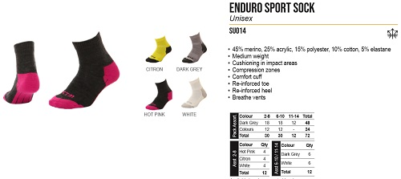
ＱＵＡＬＩＴＹ |  | • 45% merino, 20% acrylic, 15% polyester, 15% cotton, 5% elastane • Lightweight • Comfort cuff • Seamless toe • Cushioning in impact areas • Compression zo |  |  |  |  |  |  |  | ＱＵＡＬＩＴＹ |  | • 45% merino, 25% acrylic, 15% polyester, 10% cotton, 5% elastane • Medium weight • Cushioning in impact areas • Compression zones • Comfort cuff • Re-inforced toe • Re-inforced heel • Breathe vents

ＣＯＬＯＲ/ＳＩＺＥ |  | 2-8 | 6-10 | 11-14 |  |  |  |  |  | ＣＯＬＯＲ/ＳＩＺＥ |  | 2-8 | 6-10 | 11-14
 | BLACK |  |  |  |  |  |  |  |  |  | CITRON
 | DARK GREY |  |  |  |  |  |  |  |  |  | DARK GREY
 | HOT PINK |  |  |  |  |  |  |  |  |  | HOT PINK
 | FOREST |  |  |  |  | 0 |  |  | ¥0 |  | WHITE |  |  |  |  | 0 |  |  | ¥0
ＮＯ． |  | SK020 |  |  |  |  | TROOPER SOCK Kids | XTM |  | ＮＯ． |  | SK006 |  |  |  |  | FLASH SOCK | XTM
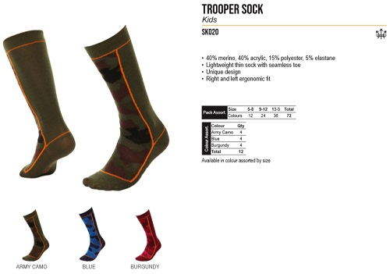
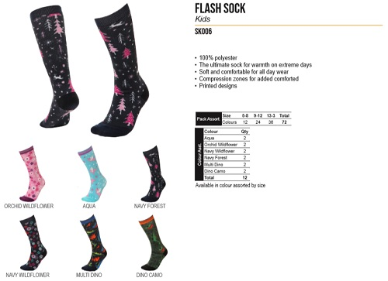
ＰＲＩＣＥ |  | 参考本体価格 |  | ¥2,400 |  | +消費税 |  |  |  | ＰＲＩＣＥ |  | 参考本体価格 |  | ¥2,700 |  | +消費税
ＱＵＡＬＩＴＹ |  | • 40% merino, 40% acrylic, 15% polyester, 5% elastane • Lightweight thin sock with seamless toe • Unique design • Right and left ergonomic fit |  |  |  |  |  |  |  | ＱＵＡＬＩＴＹ |  | • 100% polyester • The ultimate sock for warmth on extreme days • Soft and comfortable for all day wear • Compression zones for added comforted • Printed designs

 |  |  |  |  |  |  |  |  |  | ＣＯＬＯＲ/ＳＩＺＥ |  | 5-8 | 9-12 | 13-3
 |  |  |  |  |  |  |  |  |  |  | ORCHID WILDFLOWER
ＣＯＬＯＲ/ＳＩＺＥ |  | 5-8 | 9-12 | 13-3 |  |  |  |  |  |  | AQUA
 | ARMY CAMO |  |  |  |  |  |  |  |  |  | NAVY FOREST
 | BLUE |  |  |  |  |  |  |  |  |  | NAVY WILDFLOWER
 | BURGUNDY |  |  |  |  |  |  |  |  |  | MULTI DINO
 |  |  |  |  |  | 0 |  |  | ¥0 |  | DINO CAMO |  |  |  |  | 0 |  |  | ¥0

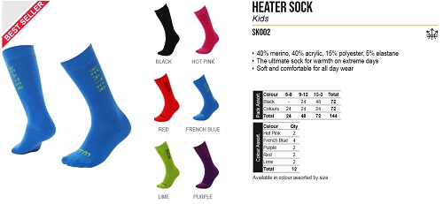
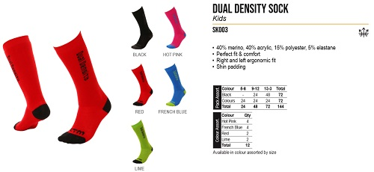
ＮＯ． |  | SK003 |  |  |  |  | DUAL DENSITY SOCK | XTM |  | ＮＯ． |  | SK002 |  |  |  |  | HEATER SOCK | XTM
ＰＲＩＣＥ |  | 参考本体価格 |  | ¥1,800 |  | +消費税 |  |  |  | ＰＲＩＣＥ |  | 参考本体価格 |  | ¥1,800 |  | +消費税
ＱＵＡＬＩＴＹ |  | • 40% merino, 40% acrylic, 15% polyester, 5% elastane • Perfect fit & comfort • Right and left ergonomic fit • Shin padding |  |  |  |  |  |  |  | ＱＵＡＬＩＴＹ |  | • 40% merino, 40% acrylic, 15% polyester, 5% elastane • The ultimate sock for warmth on extreme days • Soft and comfortable for all day wear

 |  |  |  |  |  |  |  |  |  | ＣＯＬＯＲ/ＳＩＺＥ |  | 5-8 | 9-12 | 13-3
ＣＯＬＯＲ/ＳＩＺＥ |  | 5-8 | 9-12 | 13-3 |  |  |  |  |  |  | BLACK
 | BLACK |  |  |  |  |  |  |  |  |  | HOT PINK
 | HOT PINK |  |  |  |  |  |  |  |  |  | RED
 | RED |  |  |  |  |  |  |  |  |  | FRENCH BLUE
 | FRENCH BLUE |  |  |  |  |  |  |  |  |  | LIME
 | LIME |  |  |  |  | 0 |  |  | ¥0 |  | PURPLE |  |  |  |  | 0 |  |  | ¥0
ＮＯ． |  | SK001 |  |  |  |  | INFANT HEATER SOCK | XTM |  | ＮＯ． |  | FM003 |  |  |  |  | KONRAD BOOT | XTM
ＰＲＩＣＥ |  | 参考本体価格 |  | ¥1,600 |  | +消費税 |  |  |  | ＰＲＩＣＥ |  | 参考本体価格 |  | ¥15,000 |  | +消費税
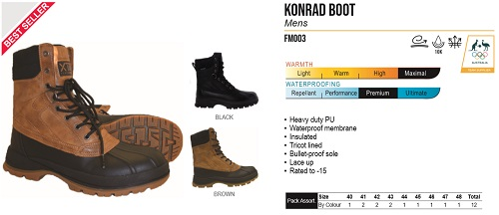
ＱＵＡＬＩＴＹ |  | • 40% merino, 40% acrylic, 15% polyester, 5% elastane • The ultimate sock for warmth on extreme days • Soft and comfortable for all day wear |  |  |  |  |  |  |  | ＱＵＡＬＩＴＹ |  | • Heavy duty PU • Waterproof membrane • Insulated • Tricot lined • Bullet-proof sole • Lace up • Rated to -15

 |  |  |  |  |  |  |  |  |  | ＣＯＬＯＲ/ＳＩＺＥ |  | 40 | 41 | 42 | 43 | 44
 |  |  |  |  |  |  |  |  |  |  | BLACK
ＣＯＬＯＲ/ＳＩＺＥ |  | O/S |  |  |  |  |  |  |  |  | BROWN
 | CANDY |  |  |  |  |  |  |  |  | ＣＯＬＯＲ/ＳＩＺＥ |  | 45 | 46 | 47 | 48
 | BLUE |  |  |  |  |  |  |  |  |  | BLACK
 |  |  |  |  |  |  |  |  |  |  | BROWN
 |  |  |  |  |  | 0 |  |  | ¥0 |  |  |  |  |  |  | 0 |  |  | ¥0
ＮＯ． |  | FM007 |  |  |  |  | PREDATOR BOOT | XTM |  | ＮＯ． |  | FL009 |  |  |  |  | INESSA BOOT | XTM
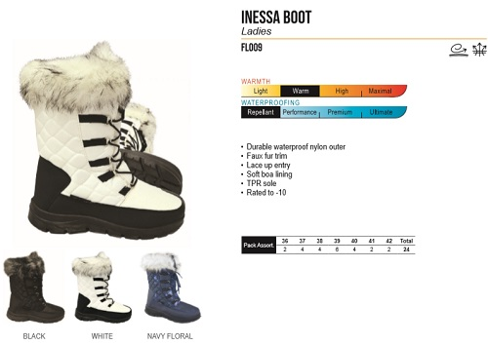
ＰＲＩＣＥ |  | 参考本体価格 |  | ¥6,000 |  | +消費税 |  |  |  | ＰＲＩＣＥ |  | 参考本体価格 |  | ¥6,000 |  | +消費税
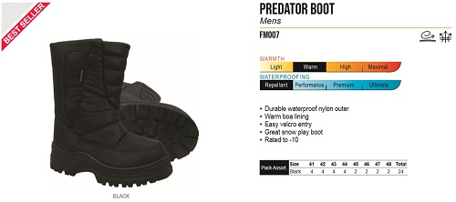
ＱＵＡＬＩＴＹ |  | • Durable waterproof nylon outer • Warm boa lining • Easy velcro entry • Great snow play boot • Rated to -10 |  |  |  |  |  |  |  | ＱＵＡＬＩＴＹ |  | • Durable waterproof nylon outer • Faux fur trim • Lace up entry • Soft boa lining • TPR sole • Rated to -10

 |  |  |  |  |  |  |  |  |  | ＣＯＬＯＲ/ＳＩＺＥ |  | 36 | 37 | 38 | 39 | 40
 |  |  |  |  |  |  |  |  |  |  | BLACK
ＣＯＬＯＲ/ＳＩＺＥ |  | 41 | 42 | 43 | 44 | 45 |  |  |  |  | WHITE
 | BLACK |  |  |  |  |  |  |  |  |  | NAVY FLORAL
 |  |  |  |  |  |  |  |  |  | ＣＯＬＯＲ/ＳＩＺＥ |  | 41 | 42
ＣＯＬＯＲ/ＳＩＺＥ |  | 46 | 47 | 48 |  |  |  |  |  |  | BLACK
 | BLACK |  |  |  |  |  |  |  |  |  | WHITE
 |  |  |  |  |  | 0 |  |  | ¥0 |  | NAVY FLORAL |  |  |  |  | 0 |  |  | ¥0
ＮＯ． |  | FL007 |  |  |  |  | PREDATOR BOOT | XTM |  | ＮＯ． |  |  |  |  |  |  |  | XTM
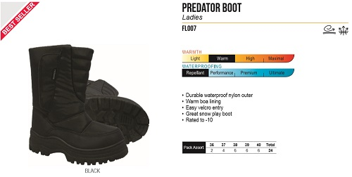
ＰＲＩＣＥ |  | 参考本体価格 |  | ¥5,500 |  | +消費税 |  |  |  | ＰＲＩＣＥ |  | 参考本体価格 |  |  |  | +消費税
ＱＵＡＬＩＴＹ |  | • Durable waterproof nylon outer • Warm boa lining • Easy velcro entry • Great snow play boot • Rated to -10 |  |  |  |  |  |  |  | ＱＵＡＬＩＴＹ

ＣＯＬＯＲ/ＳＩＺＥ |  | 36 | 37 | 38 | 39 | 40 |  |  |  | ＣＯＬＯＲ/ＳＩＺＥ
 | BLACK

 |  |  |  |  |  | 0 |  |  | ¥0

ＮＯ． |  |  |  |  |  |  |  | XTM |  | ＮＯ． |  |  |  |  |  |  |  | XTM
ＰＲＩＣＥ |  | 参考本体価格 |  |  |  | +消費税 |  |  |  | ＰＲＩＣＥ |  | 参考本体価格 |  |  |  | +消費税
ＱＵＡＬＩＴＹ |  |  |  |  |  |  |  |  |  | ＱＵＡＬＩＴＹ

ＣＯＬＯＲ/ＳＩＺＥ |  | S | M | L |  |  |  |  |  | ＣＯＬＯＲ/ＳＩＺＥ |  | S | M | L | XL

ＮＯ． |  |  |  |  |  |  |  | XTM |  | ＮＯ． |  |  |  |  |  |  |  | XTM
ＰＲＩＣＥ |  | 参考本体価格 |  |  |  | +消費税 |  |  |  | ＰＲＩＣＥ |  | 参考本体価格 |  |  |  | +消費税
ＱＵＡＬＩＴＹ |  |  |  |  |  |  |  |  |  | ＱＵＡＬＩＴＹ

ＣＯＬＯＲ/ＳＩＺＥ |  | S | M | L |  |  |  |  |  | ＣＯＬＯＲ/ＳＩＺＥ |  | XS | S | M | L

ＮＯ． |  |  |  |  |  |  |  | XTM |  | ＮＯ． |  |  |  |  |  |  |  | XTM
ＰＲＩＣＥ |  | 参考本体価格 |  |  |  | +消費税 |  |  |  | ＰＲＩＣＥ |  | 参考本体価格 |  |  |  | +消費税
ＱＵＡＬＩＴＹ |  |  |  |  |  |  |  |  |  | ＱＵＡＬＩＴＹ

ＣＯＬＯＲ/ＳＩＺＥ |  | S | M | L | XL
 |  |  |  |  |  |  |  |  |  | ＣＯＬＯＲ/ＳＩＺＥ |  | S | M | L | XL

ＮＯ． |  |  |  |  |  |  |  | XTM |  | ＮＯ． |  |  |  |  |  |  |  | XTM
ＰＲＩＣＥ |  | 参考本体価格 |  |  |  | +消費税 |  |  |  | ＰＲＩＣＥ |  | 参考本体価格 |  |  |  | +消費税
ＱＵＡＬＩＴＹ |  |  |  |  |  |  |  |  |  | ＱＵＡＬＩＴＹ

ＣＯＬＯＲ/ＳＩＺＥ |  | S | M | L |  |  |  |  |  | ＣＯＬＯＲ/ＳＩＺＥ |  | S | M | L | XL

